Information
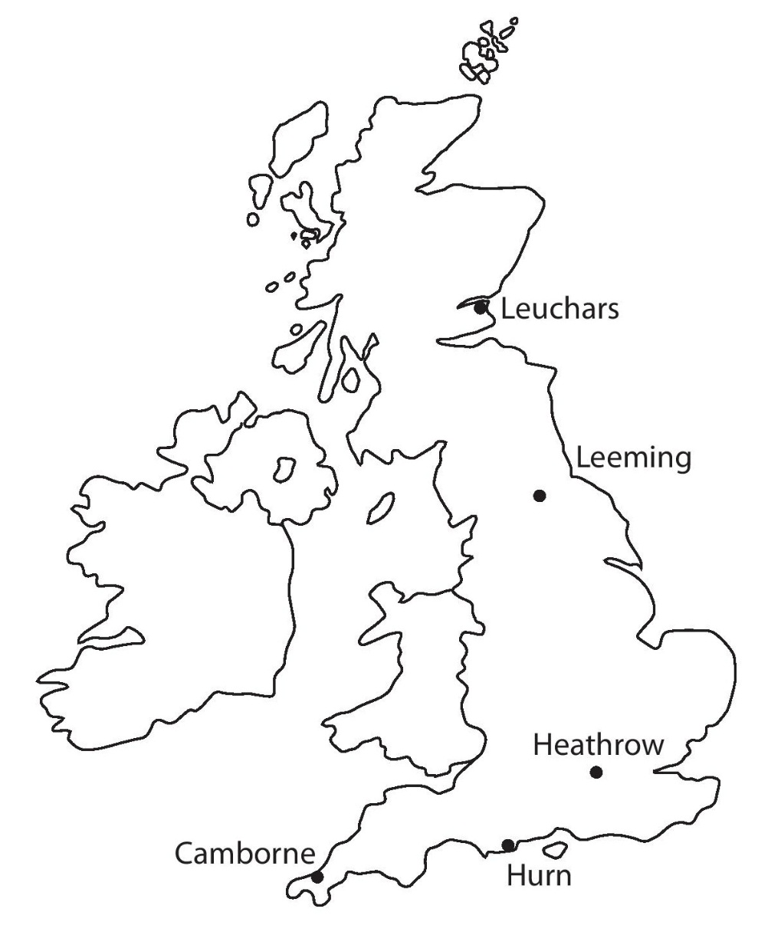

Introduction
Pearson have provided this large data set, which will support the assessment of Statistics in the A level Mathematics Paper 3 and AS Mathematics Paper 2. Students are required to become familiar with the data set in advance of the final assessment.
To support the use of the large data set in the teaching of the statistics content, tasks such as: ● selecting a sample ● cleaning the data ● creating diagrams from the data ● calculating summary statistics such as mean, standard deviation ● calculating regression equations and correlation coefficients where applicable ● hypothesis testing, must be carried out by students during their course of study. Students should use technology such as spreadsheets or other statistical packages to explore the data.
See the specifications A level Mathematics (9MA0) and AS Mathematics (8MA0) for further information

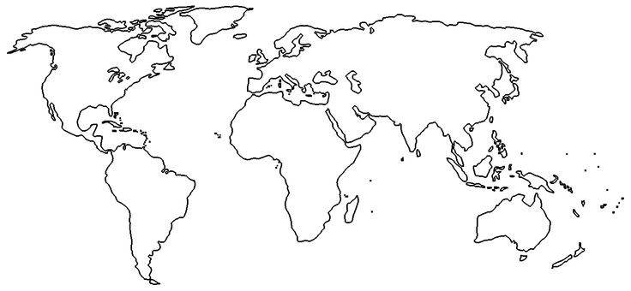
Perth •
Beijing •
• Jacksonville
Data set source
The data set consists of weather data samples provided by the Met Office for five UK weather stations and three overseas weather stations in the time periods May to October 1987 and May to October 2015. The weather stations are labelled on the maps shown: • in the UK - Camborne, Heathrow, Hurn, Leeming and Leuchars • overseas - Beijing, Jacksonville and Perth Further information around our data source can be accessed at http://www.metoffice.gov.uk/

Dataset variables and explanatory notes
The Met Office provides data for a number of different weather variables. Our data set includes data for eleven variables recorded across the weather stations during the set periods of time:
Daily Mean Temperature Air temperatures are recorded by thermometers in a louvered screen 1.25 metres above short grass, except at some Weather Centre’s and Climate Data Logger stations, where observations are made from a non-standard roof top exposure. Values are noted in degrees and tenths (Degrees Celsius) and values below 0 Deg C are preceded by a minus sign. A reading which is not available is listed as ‘n/a’. The daily mean air temperature (0900-0900 GMT) is the average of the hourly temperature readings during this period.
Daily Total Rainfall Daily totals refer to 24 hour periods commencing at 0900 Greenwich Mean Time (1000 British Summer Time) on the day of entry and includes any solid precipitation, such as snow or hail, which is melted and measured in the same way as rainfall. A ‘trace or tr’ of rain is an amount less than 0.05mm. A reading which is not available will be shown by ‘n/a’. All totals are in millimetres (mm).
Daily Total Sunshine At most Met Office stations sunshine is measured by an instrument that measures the amount of solar radiation exceeding a threshold. Sunshine amounts are recorded in hours and tenths and show the amount of bright sunshine recorded on the day of entry. A reading which is not available is listed as ‘n/a’.
Daily Maximum Relative Humidity The relative humidity is a measure of how close the air is to being saturated with water vapour. Relative humidities of above 95% are associated with mist and fog. A reading which is not available is listed as ‘n/a’.
Daily Mean Windspeed, Daily Maximum Gust, Daily Mean Wind Direction and Daily Maximum Gust Direction ● Wind speeds are given in knots (1 knot = 1.15mph). The daily mean speed is averaged over the 24 hours from 0000GMT on the date given. ● The maximum gust speed is the maximum instantaneous speed that occurred during the 24 hours from 0000GMT on the date given. Readings for both variables which are not available are listed as ‘n/a’. ● The ​daily mean wind direction is averaged over the 24 hours from 0000GMT on the date given, ​rounded to the nearest 10 degrees ● The direction of the maximum gust is that direction from which the wind was blowing when the maximum gust during the hour commencing at the time of entry occurred, and is measured in degrees from true north. For all locations, the speed of the wind is also categorised according to the Beaufort scale. For the UK locations, the wind and gust direction measurements are also listed as cardinal directions.
Cloud cover Cloud cover is measured in eighths (Oktas). Cloud cover is the fraction of the celestial dome covered by cloud.
Visibility Visibility is defined as the greatest distance at which an object can be seen and recognized in daylight, or at night could be seen and recognized if the general illumination were raised to daylight level. It is measured using visiometer at automatic sites but used to be done by observers at manual stations except at some Weather Centres and Climate Data Logger stations, where observations are made from a non-standard roof top exposure. Visibility is measured horizontally. Values are noted in decametres (Dm) A dash indicates data not available.
Pressure • The mean sea level pressure has been calculated from a measurement made at station level. • Units - the pressure unit used in meteorology was previously the millibar (one bar = 1000 millibars). However, this has been replaced by the SI unit of pressure — the pascal (Pa). One hectopascal (hPa) = 1 millibar (mb).

Suggested activities for students
Students are required to become familiar with the dataset prior to being assessed in Statistics. Below are a list of suggested activities for students to undertake, using the data-set, during their course of study. 1. Calculate the mean and standard deviation for some of these variables at one location and compare with another location or time. 2. Is there any correlation between average rainfall in 1987 and average rainfall in 2015 for the 6 months available for any of the weather stations? 3. Explore correlations and linear regression between variables such as temperature and hours of sunshine. 4. Explore whether or not the data available gives any evidence of global warming. 5. Use the data to generate suitable graphs.

Pearson Edexcel Level 3 Advanced GCE in Mathematics Specification – Issue 1 – July 2017 – © Pearson Education Limited 2017

